Location Plan & Summary
Intelligent Data Collection Limited

Client: | Bristol City Council |  |  | Date of Survey: |  | 09.07.2015
Project Number: | ID02343 |  |  | Site Name: |  | Rosemary Lane
Site Number: | ANPR Site 27 |  |  | Survey Type: |  | Two-way Link Count

X Coordinate |  | Y Coordinate |  |  | Google Maps Link
51.469872 |  | -2.559217 |  |  | Click Here
AM Peak Conditions |  | Inter-Peak Conditions |  |  | PM Peak Conditions
Clear and Sunny |  | Clear and Sunny |  |  | Clear and Sunny
Junction Layout

N
 |  |  |  |  |  | Arm B - Rosemary Lane (N)

 |  |  | Arm A - Rosemary Lane (S)

Aerial Mapping and On-site Camera View
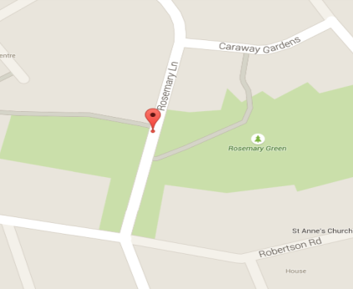

Arm A - Rosemary Lane (S)

Arm B - Rosemary Lane (N)

Junction Flow Profile
Arm Approach Flows (All Vehicles)
 | A to B (Northbound) | B to A (Southbound) | Two-way Total
7:00:00 | 16 | 5 | 21
7:15:00 | 22 | 4 | 26
7:30:00 | 33 | 3 | 36
7:45:00 | 31 | 4 | 35
8:00:00 | 47 | 12 | 59
8:15:00 | 37 | 13 | 50
8:30:00 | 47 | 17 | 64
8:45:00 | 50 | 30 | 80
9:00:00 | 20 | 21 | 41
9:15:00 | 16 | 8 | 24
9:30:00 | 26 | 7 | 33
9:45:00 | 23 | 9 | 32
10:00:00 | 18 | 8 | 26
10:15:00 | 23 | 14 | 37
10:30:00 | 21 | 10 | 31
10:45:00 | 19 | 10 | 29
11:00:00 | 18 | 8 | 26
11:15:00 | 19 | 3 | 22
11:30:00 | 28 | 11 | 39
11:45:00 | 17 | 10 | 27
12:00:00 | 23 | 12 | 35
12:15:00 | 21 | 13 | 34
12:30:00 | 18 | 9 | 27
12:45:00 | 17 | 7 | 24
13:00:00 | 17 | 9 | 26
13:15:00 | 20 | 9 | 29
13:30:00 | 30 | 9 | 39
13:45:00 | 15 | 7 | 22
14:00:00 | 28 | 12 | 40
14:15:00 | 32 | 11 | 43
14:30:00 | 29 | 10 | 39
14:45:00 | 22 | 14 | 36
15:00:00 | 30 | 10 | 40
15:15:00 | 52 | 13 | 65
15:30:00 | 24 | 40 | 64
15:45:00 | 21 | 24 | 45
16:00:00 | 28 | 21 | 49
16:15:00 | 37 | 13 | 50
16:30:00 | 26 | 23 | 49
16:45:00 | 22 | 10 | 32
17:00:00 | 34 | 10 | 44
17:15:00 | 21 | 11 | 32
17:30:00 | 24 | 15 | 39
17:45:00 | 24 | 11 | 35
18:00:00 | 33 | 16 | 49
18:15:00 | 27 | 19 | 46
18:30:00 | 28 | 21 | 49
18:45:00 | 25 | 14 | 39

Additional Notes (Factors which may impact on survey results such as accidents, roadworks, special events):

